14-Nov
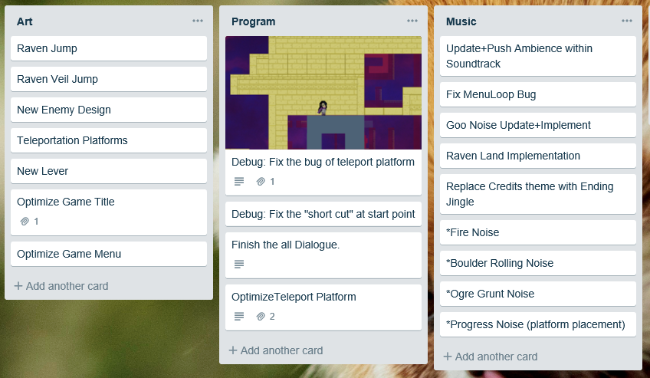
 | 8/Nov-14/Nov | Priority
Purpose | Focus on testing, think about how to make game more interesting. Finish the main animation.
Art | Animations for Raven: 1.Walking 2.Dying 3.Teleporting 4.Dashing(veil jump) 5.Jumping | 1
 | Enemies: 1. Shooter 2. Ghoul with simple dash animation 3. Fire shooter | 2
Design | Testing, collect the feedback. | 1
 | Analyze the feedback and improve game | 2
Sound | Level main soundtrack | 1
 | Sound for Raven's action | 2
Program | Implement Raven's animation in game | 1
 | Implement enemies' animation in game | 2

